PARTY
Nº Palet | GÉNERO | FAMILIA | Estilo | Color | Talla |  | QTY
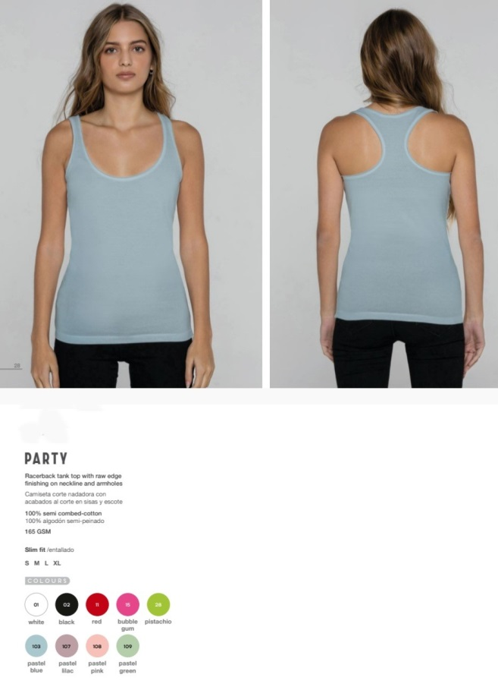
41 | WOMAN | CAMISETAS | PARTY | 02 BLACK | XL | PARTY - BLACK | XL | 195
41 | WOMAN | CAMISETAS | PARTY | 15 BUBBLEGUM | S | PARTY - BUBBLEGUM | S | 47
41 | WOMAN | CAMISETAS | PARTY | 15 BUBBLEGUM | M | PARTY - BUBBLEGUM | M | 125
41 | WOMAN | CAMISETAS | PARTY | 15 BUBBLEGUM | L | PARTY - BUBBLEGUM | L | 256
41 | WOMAN | CAMISETAS | PARTY | 15 BUBBLEGUM | XL | PARTY - BUBBLEGUM | XL | 147
41 | WOMAN | CAMISETAS | PARTY | 103 LIGHT BLUE | S | PARTY - LIGHT BLUE | S | 188
41 | WOMAN | CAMISETAS | PARTY | 103 LIGHT BLUE | M | PARTY - LIGHT BLUE | M | 29
41 | WOMAN | CAMISETAS | PARTY | 103 LIGHT BLUE | L | PARTY - LIGHT BLUE | L | 20
41 | WOMAN | CAMISETAS | PARTY | 103 LIGHT BLUE | XL | PARTY - LIGHT BLUE | XL | 6
41 | WOMAN | CAMISETAS | PARTY | 01 WHITE | M | PARTY - WHITE | M | 160
41 | WOMAN | CAMISETAS | PARTY | 01 WHITE | L | PARTY - WHITE | L | 200
41 | WOMAN | CAMISETAS | PARTY | 01 WHITE | XL | PARTY - WHITE | XL | 188
41 | WOMAN | CAMISETAS | PARTY | 28 PISTACHIO | S | PARTY - PISTACHIO | S | 105
41 | WOMAN | CAMISETAS | PARTY | 28 PISTACHIO | L | PARTY - PISTACHIO | L | 120
41 | WOMAN | CAMISETAS | PARTY | 108 LIGHT PINK | S | PARTY - LIGHT PINK | S | 55
41 | WOMAN | CAMISETAS | PARTY | 108 LIGHT PINK | M | PARTY - LIGHT PINK | M | 188
41 | WOMAN | CAMISETAS | PARTY | 108 LIGHT PINK | L | PARTY - LIGHT PINK | L | 332
41 | WOMAN | CAMISETAS | PARTY | 108 LIGHT PINK | XL | PARTY - LIGHT PINK | XL | 272
41 | WOMAN | CAMISETAS | PARTY | 02 BLACK | XL | PARTY - BLACK | XL | 60
41 | WOMAN | CAMISETAS | PARTY | 02 BLACK | S | PARTY - BLACK | S | 36
41 | WOMAN | CAMISETAS | PARTY | 103 LIGHT BLUE | XL | PARTY - LIGHT BLUE | XL | 163
41 | WOMAN | CAMISETAS | PARTY | 103 LIGHT BLUE | L | PARTY - LIGHT BLUE | L | 216
41 | WOMAN | CAMISETAS | PARTY | 103 LIGHT BLUE | M | PARTY - LIGHT BLUE | M | 140
44 | WOMAN | CAMISETAS | PARTY | 107 LIGHT LILAC | S | PARTY - LIGHT LILAC | S | 158
44 | WOMAN | CAMISETAS | PARTY | 107 LIGHT LILAC | M | PARTY - LIGHT LILAC | M | 149
44 | WOMAN | CAMISETAS | PARTY | 107 LIGHT LILAC | L | PARTY - LIGHT LILAC | L | 260
44 | WOMAN | CAMISETAS | PARTY | 107 LIGHT LILAC | XL | PARTY - LIGHT LILAC | XL | 245
44 | WOMAN | CAMISETAS | PARTY | 109 LIGHT GREEN | S | PARTY - LIGHT GREEN | S | 159
44 | WOMAN | CAMISETAS | PARTY | 109 LIGHT GREEN | M | PARTY - LIGHT GREEN | M | 242
44 | WOMAN | CAMISETAS | PARTY | 109 LIGHT GREEN | L | PARTY - LIGHT GREEN | L | 344
44 | WOMAN | CAMISETAS | PARTY | 109 LIGHT GREEN | XL | PARTY - LIGHT GREEN | XL | 161
44 | WOMAN | CAMISETAS | PARTY | 28 PISTACHIO | S | PARTY - PISTACHIO | S | 113
44 | WOMAN | CAMISETAS | PARTY | 28 PISTACHIO | M | PARTY - PISTACHIO | M | 152
44 | WOMAN | CAMISETAS | PARTY | 28 PISTACHIO | L | PARTY - PISTACHIO | L | 252
44 | WOMAN | CAMISETAS | PARTY | 11 RED | S | PARTY - RED | S | 277
44 | WOMAN | CAMISETAS | PARTY | 11 RED | M | PARTY - RED | M | 77
44 | WOMAN | CAMISETAS | PARTY | 11 RED | L | PARTY - RED | L | 612
44 | WOMAN | CAMISETAS | PARTY | 11 RED | XL | PARTY - RED | XL | 172
...

